Sheet1
Shri Ram College, Muzaffarnagar
Details Of Teaching Staff Appointed For M.Ed Course
Sl.No. | Name | Designation | Date Of Birth | Educational Qualification | Year Of Passing | Professional Course | Year Of Passing | Aadhar Card Number | PAN Card Number | Photo
1 | Dr. Prerna Mittal | Principal | 28.07.1963 | B.Ed, M.A. (Drg. & Ptg.), M.Phil | 1984 1987 1989 | M.Ed Ph.D | 1988 2016 | 532210260407 | ANVPM6721A | 
2 | Dr. Munendra Kumar | Professor | 11.03.1979 | B.Ed,M.Sc(Zoology) , M.A (Sociology), M.A (Pol. Science), M.A (Education) | 2004, 2001, 2012, 2009, 2007 | M.Ed Ph.D Net | 2010 2013 2006, 2008, 2013 | 231690340305 | AZUPK2637A | 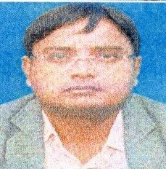
3 | Dr. Indira Singh | Asso. Prof. | 25.08.1981 | B.Ed, M.A. (Education), M.Phil | 2005, 2004, | M.Ed Ph.D | 2015, 2012 | 550699808308 | DSUPS0832R | 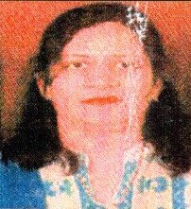
4 | Dr. Ram Prakash Gupta | Asso. Prof. | 15.01.1958 | B.Ed, M.A. (Geography) | 1979, 1981 | M.Ed Ph.D | 1988, 1995 | 565201821565 | ADYPG0521B | 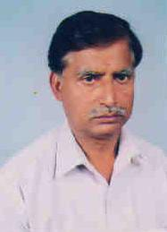
5 | Mr. Bhanu Pratap Verma | Assistant Professor | 06.11.1973 | B.Ed, M.A. (Pol. Science) | 2003, 2008 | M.Ed , Net | 2006, 2012 | 628231633858 | AKLPV2370H | 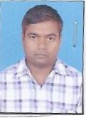
6 | Mrs. Teena Aggarwal | Assistant Professor | 08.07.1986 | B.Ed, M.Com M.A. (Education) | 2008 2009 2011 | M.Ed , Net | 2010 | 537595999643 | BKTPA6491H | 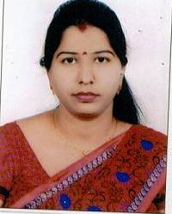
7 | Mrs. Shalini Sharma | Assistant Professor | 28.05.1989 | B.Ed, M.A. (Hindi) | 2011, 2020 | M.Ed , Net | 2015 | 702475857372 | HGHPS4382B | 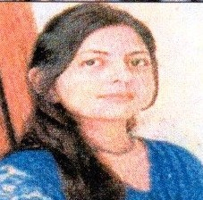
8 | Mrs. Karuna Tyagi | Assistant Professor | 15.03.1984 | B.Ed, M.A. (Sociology) | 2014, 2015 | M.Ed , Net | 2015, 2019 | 258918186053.00 | AKYPT5442P | 
9 | Dr. Ankur Sharma | Assistant Professor | 15.12.1979 | B.Ed, M.A. (Sociology) | 2004, 2018 | M.Ed Ph.D | 2012, 2016 | 554830704713 | DOOPS0115F | 
10 | Moh. Shakir | Assistant Professor | 06.12.1979 | B.Ed, M.Sc(Botany) | 2004, 2001 | M.Ed , Net | 2005, 2009 | 549795394303 | CCKPS4028J | 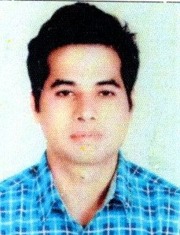

Sheet2
Details Of Teaching Staff Appointed For B.Ed Course
Sl.No. | Name | Designation | Date Of Birth | Educational Qualification | Year Of Passing | Professional Course | Year Of Passing | Aadhar Card Number | PAN Card Number | Photo
1 | Dr. Prerna Mittal | Principal | 28.07.1963 | B.Ed, M.A. (Drg. & Ptg.), M.Phil | 1984 1987 1989 | M.Ed Ph.D | 1988 2016 | 532210260407 | ANVPM6721A
2 | Dr. Monika Tyagi | Assistant Professor | 03.07.1977 | B.Ed, M.A. (English), M.A. (Education) | 2006 1998 2009 | Ph.D | 2010 |  | AMJPT3524D
3 | Mr. Ajit Kumar | Assistant Professor | 15.08.1979 | B.Ed, M.A. (Pol. Science) | 2010, 2014 | M.Ed, Net | 2011, 2012 | 980053184606 | APEPA6128E
4 | Pramod Kumar Panday | Assistant Professor | 02.02.1959 | B.Ed, M.Sc (Chemistry) | 2002, 1980 | M.Ed | 2004 | 716538401807 | AFBPP7088P
5 | Mr. Pramod Kumar | Assistant Professor | 06.03.1986 | B.Ed, M.A. (Political Science) | 2011 2013 | M.Ed NET | 2014 2014 | 822832601974 | GVLPK2300F
6 | Mr. Ajay Kumar | Assistant Professor | 19.08.1990 | B.Ed, M.A. (Hindi) | 2012 2018 | M.Ed | 2013 | 835850949807 | JBAPK7488C
7 | Mr. Manoj Kumar Singh | Assistant Professor | 25.07.1984 | B.Ed, M.A. (Hindi) | 2009 2015 | M.Ed NET | 2011 2013 | 865344958067 | BQUPS0627Q
8 | Mr. Vijay Kumar | Assistant Professor | 02.05.1988 | B.Ed, M.A. (Economics) | 2011 2014 | M.Ed NET | 2013 2013 | 205300704489 | BWGPK8578L
9 | Mr. Dharmendra Kumar | Assistant Professor | 02.07.1989 | B.Ed, M.A. (Education) | 2009 2011 | M.Ed NET | 2012 2013 | 472861303940 | AMKPJ8830F
10 | Mr. Chandresh Kumar | Assistant Professor | 12.03.1991 | B.Ed, M.A. (Geography) | 2012 2015 | M.Ed NET | 2012 2013 | 690321937202 | 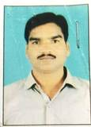 BOZPP0018K
11 | Mr. Sanjay Kumar | Assistant Professor | 25.01.1990 | B.Ed, M.A. (Sanskirt) | 2013 2016 | M.Ed NET | 2014 2014 | 358780836914 | EADPB5416A
12 | Mr. Ashok Kumar | Assistant Professor | 22.07.1975 | B.Ed, M.A. (English) | 2011 2010 | M.Ed NET | 2013 2013 | 318547187332 | AGDPY1706A
13 | Mr. Jitendra Kumar | Assistant Professor | 10.08.1985 | B.Ed, M.A. (History) | 2011 2013 | M.Ed NET | 2014 2014 | 661896531617 | FCVPK7606A
14 | Mr. Arvind Kumar | Assistant Professor | 10.09.1983 | B.Ed M.Sc (MATHEMATICS) | 2008 2006 | M.Ed NET | 2012 2013 | 542965591563 | CMKPK7141J
15 | Mrs. Sandhya | Assistant Professor | 25.09.1989 | B.Ed, M.A. (Sanskrit) | 2012 2011 | M.Ed NET | 2013 2014 | 488181083517 | BZKPD3699A
16 | Mr. Rajesh Kumar | Assistant Professor | 01.01.1988 | B.Ed, M.A. (Ancient History) | 2012 2011 | M.Ed NET | 2013 2013 | 387558366630 | CIGPR5232R
17 | Mr. Amit Kumar Karanwal | Assistant Professor | 29.11.1987 | B.Ed, M.A. (Hindi) | 2013 2018 | M.Ed NET | 2014 2013 | 656224872224 |  BOYPK7528G
18 | Ms. Bandana Kumari | Assistant Professor | 06.10.1990 | B.Ed, M.A. (Home Science) | 2011 2015 | M.Ed NET | 2013 2013 | 296402066155 | ADF5H9924V
19 | Mr. Uday Pratap | Assistant Professor | 19.07.1993 | B.Ed, M.Sc (Physics) | 2011 2015 | M.Ed NET | 2012 2014 | 486887961202 | BVCPM0250L
20 | Mr. Rakesh Kumar | Assistant Professor | 15.06.1992 | B.Ed, M.A. (Sociology) | 2012 2015 | M.Ed NET | 2013 2013 | 741095587129 | BAEPR6138P
21 | Mr. Uday Bhan Gupta | Assistant Professor | 12.07.1991 | B.Ed M.A.(Psychology) | 2012 2016 | M.Ed NET | 2013 2013 | 879375878136 | AHCPU2358N | 
22 | Mr. Kamlesh Yadav | Assistant Professor | 07.01.1992 | B.Ed, M.Sc(Mathamatics) | 2011 2015 | M.Ed NET | 2013 2013 | 353574467788 | HUKPK9371R
23 | Mr.Sunil Kumar | Assistant Professor | 10.02.1983 | B.Ed, M.A(Pol. Science) | 2009 2014 | M.Ed NET | 2011 2013 | 204646565705 | CMSPK1753Q
24 | Dr. Juhi Gautam | Assistant Professor | 08.08.1983 | B.Ed, M.Com | 2005, 2005 | M.Ed Ph.D | 2010 2012 | 893787043835 | APUPG7569M
24 | Mrs. Annu Nayak | Assistant Professor | 12.07.1987 | B.Ed, M.A. (Drg. &. Ptg.) | 2011 2008 | M.Ed | 2012 | 636984154265 | AYMPD3906A | 
25 | Mr. Prashant Kumar | Assistant Professor | 22.08.1985 | B.P.Ed, M.Phil | 2006, 2011 | M.P.Ed | 2009 | 255524713651 | ARKPK0173G

